Administrators' Guidance Notes
Single Public Service Pension Scheme
Administrators' Scheme Vesting Calculation Tool

G U I D A N C E
Administrators' Guidance Notes

Who is this Calculation Tool for? This workbook have been developed for use by pension administrators in the public service.
What does this Calculation Tool do? It assists pension administrators to calculate the length of time that an individual has been a member of the Single Public Service Pension Scheme and, where applicable, takes into account any periods of non-pensionable unpaid leave.
What can the results of this Calculation Tool be used for? The results may help pension administrators with determining whether or not the member has completed the Scheme Vesting Period at a particular date and whether or not, as a result, the member has an entitlement to retirement or death benefits under the Scheme.
What information should be reviewed before using the Calculation Tool? Before using the Calculation Tool, it is recommended that administrators review relevant Circulars. Additionally, it is recommended that Administrators review the current Scheme Administrator FAQ document and how prior refunds received are considered when assessing Scheme Vesting.
G U I D A N C E
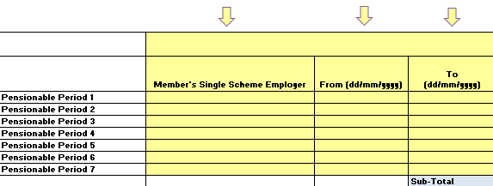 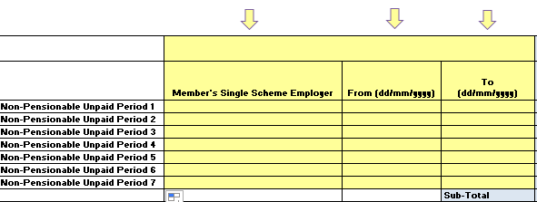 What information needs to be inserted on this Calculation Tool? Administrators need to insert relevant information in the YELLOW FIELDS indicated with arrows on the workbook. There are 2 types of information that must be inserted: 1. Periods of Single Scheme membership under all employments for which contributions are RETAINED by the employer(s) 2. Periods of any non-pensionable unpaid leave that may have been availed of during periods of Single Scheme membership at 1 above
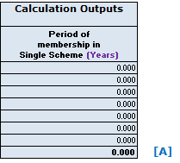 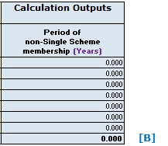 What outputs are displayed by the Calculation Tool? The corresponding periods for each period of pensionable employment and period of unpaid leave are calculated and shown in the BLUE FIELDS (Column E) with relevant subtotals: The sub-total of the period of membership for which contributions are retained [A] less the total of all non-pensionable unpaid leave [B] provides the relevant period of membership that must be assessed against the Scheme Vesting period:
Can this Calculation Tool be modified for more complex cases or to better suit organisational needs? • The formulae and calculation steps in this workbook have not been hidden. • Administrators are free to modify the format of any part of the workbook to better suit their needs, once the outputs are in line with the requirements of the Single Scheme.

