Administrator's Guidance Notes
S C R O L L D O W N
Single Public Service Pension Scheme
Administrators' Calculation Tool - Purchase of Additional Pension/Lump Sum Referable Amounts
Administrators' Guidance Notes
Who is this Calculation Tool for? This workbook has been developed for use by pension administrators in the public service who have read Circular 15/2019 (or Circular 6/2020 in relation to PDF members) and who need to process applications and queries about the purchase and transfer facility set out in the Circular(s). It may also assist pension administrators to resolve queries from Scheme members.
What does this Calculation Tool do? This tool is designed for use in conjunction with Circular 15/2019 (or Circular 6/2020 in relation to PDF members). It assists pension administrators to calculate: * the limits that apply to the purchase of additional pension and/or lump sum referable amounts by a Single Scheme member at a particular point in time; and * the cost of purchasing pension and/or lump sum referable amounts for that Single Scheme member at that point in time
What can the results of this Calculation Tool be used for? The results may help pension administrators in calculating the maximum amount of pension and lump sum referable amounts that may be purchased by an eligible, active Scheme member who wishes to avail of the Single Scheme Purchase and Transfer Facility. It may also assist pension administrators to resolve queries from members of the Single Scheme who are employed by their organisation.
What information should be reviewed before using the Calculation Tool? Before using this calculation tool, administrators should review Circular 15/2019 (or Circular 6/2020 in relation to PDF members), and establish with certainty the relevant information about the Scheme member that is required to process an application for purchase or transfer under the Singe Scheme.
Para 7 of Circular 15/2019 (or Circular 6/2020) explains in detail the pieces of information required to calculate the limits
Select the correct type of member from drop-down list
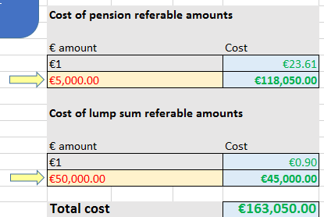 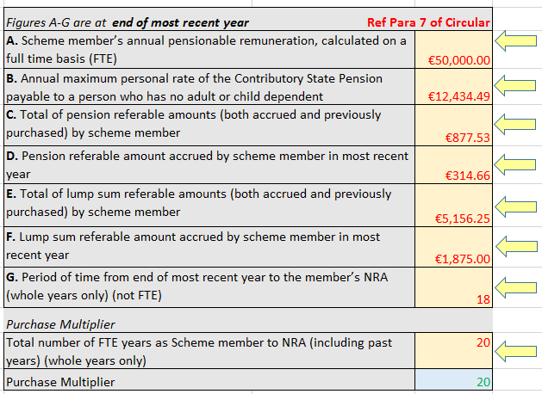 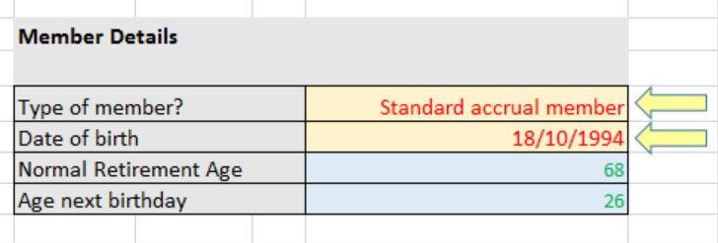 What information needs to be inserted on this Calculation Tool? Administrators need to insert relevant information in the YELLOW FIELDS indicated with yellow arrows on the LIMITS and COST tabs of the workbook. LIMITS tab COST tab Details of referable amounts should be available on a member's pension record/ Annual Benefit Statement. If this information is not available, referable amounts can be calculated using the "Administrators’ Contributions and Referable Amounts Calculation Tool" available on the Single Scheme website.
What outputs are displayed by the Calculation Tool? Outputs are displayed in the BLUE FIELDS. The LIMITS tab calculates the maximum amount of pension and lump referable amounts that can be purchased by the Scheme member - by way of "actual purchase" or by "purchase by way of transfer". The COST tab calculates the cost of purchasing the desired amount for pension and lump sum referable amounts for the Scheme member. The cost is the same regardless of whether the Scheme member is availing of "actual purchase" or "purchase by way of transfer".

This calculation tool may be updated from time to time. Administrators should check the website to make sure they are using the up-to-date version.

LIMITS
Administrators' Calculation Tool - Purchase of Additional Pension/Lump Sum Referable Amounts
PLEASE REVIEW DISCLAIMER AND ADMINISTRATOR GUIDANCE NOTES BEFORE USE

 | Information needed to calculate the limits

 | Figures A-G are at end of most recent year | Ref Para 7 of Circular
 | A. Scheme member’s annual pensionable remuneration, calculated on a full time basis (FTE)
 | B. Annual maximum personal rate of the Contributory State Pension payable to a person who has no adult or child dependent
 | C. Total of pension referable amounts (both accrued and previously purchased) by scheme member
 | D. Pension referable amount accrued by scheme member in most recent year
 | E. Total of lump sum referable amounts (both accrued and previously purchased) by scheme member
 | F. Lump sum referable amount accrued by scheme member in most recent year
The Purchase Multiplier is not relevant to transfer
 | G. Period of time from end of most recent year to the member’s NRA (whole years only) (not FTE)
 | Purchase Multiplier
 | Total number of FTE years as Scheme member to NRA (including past years) (whole years only)
 | Purchase Multiplier |  | 0

 | Calculating the limits

 | Pension

 | Formula 1 | A/2 - B - C - (D x G) |  | €0.00

Users should be careful to use the correct limit depending on whether is member is availing of:
i) actual purchase; or
ii) purchase by way of transfer
 | Formula 2 | D x purchase multiplier |  | €0.00

 | Limits to be applied
 | Purchase Limit | Lower value produced by 1 & 2 |  | €0.00
 | Transfer Limit | Value produced by formula 1 |  | €0.00

 | Lump sum

 | Formula 1 | (A x 1.5) - E - (F x G) |  | €0.00

 | Formula 2 | F x purchase multiplier |  | €0.00

 | Limits to be applied
 | Purchase Limit | Lower value produced by 1 & 2 |  | €0.00
 | Transfer Limit | Value produced by formula 1 |  | €0.00

 | IMPORTANT: Limits must be re-calculated each time the member enters into a purchase agreement

COST
Administrators' Calculation Tool - Purchase of Additional Pension/Lump Sum Referable Amounts
PLEASE REVIEW DISCLAIMER AND ADMINISTRATOR GUIDANCE NOTES BEFORE USE

 | Member Details

 | Type of member?
 | Date of birth
 | Normal Retirement Age | 66
 | Age next birthday | 122
IMPORTANT: Scheme members can purchase (or purchase by way of transfer) up to a maximum of the limit on pension referable amounts and the limit on lump sum referable amounts calculated for them
 | Limits (calculated in LIMITS tab)

 | Limits on "Actual Purchase"
 | Pension referable amount | €0.00
 | Lump sum referable amount | €0.00
 | Limits on Purchase by way of Transfer

 | Pension referable amount | €0.00
 | Lump sum referable amount | €0.00

 | Cost of pension referable amounts |  | Convert a sum of money into referable amounts

 | € pension referable amount | Cost | Money amount/ transfer value
 | €1 | #N/A | Pension referable amounts; OR | #N/A
 |  | #N/A | Lump sum referable amounts | #N/A
IMPORTANT (TRANSFER ONLY):
If a member's transfer value exceeds the total cost of purchasing the maximum limit of pension and lump sum referable amounts available to the member, the balance of the transfer value will be lost
 | Cost of lump sum referable amounts

 | € lump sum referable amount | Cost
 | €1 | #N/A
 |  | #N/A

 | Total cost | #N/A

